Sheet1
Template Name |  | A solar-powered vehicle charging system with real-time monitoring and a booking platform
Goals & Objective |  | The goal is to create a seamless experience for electric vehicle owners, ensuring they can easily find, reserve, and use solar-powered charging stations while helping to reduce the environmental impact of transportation. This system aims to address the growing demand for EV charging infrastructure while minimizing the environmental impact of traditional energy sources.
Client Information
Product Type |  | Web Application
Domain |  | Environment & Sustainability
Access Layers |  | User, Admin
Design Required |  | Yes

Phase | Item No | Specification [Role] | User Story | Acceptance Criteria | UI Screen / Wireframe | Tags
Feature: 1 |  | Auth Feature
phase 1 | 1 | Signup [Admin] [User] | - Enter Full name (input) - Enter unregistered email (input) - Enter password (input) [Logic: At least 8 characters long, atleast one special character] - Enter password again (input) [Logic: should match password input] - Choose user type [user,miner] - Click Signup (button) [Logic: If the email is unique, user will be registered to the sysmem (databse)] - Signin (link) [Logic: redirect user to Login page] | - Email (input) field should only accept valid unregistered email address as input, otherwise will show an 'email already used' message. - Password (input) should be minimum 8 characters long. Otherwise show an invalid message. - Re-password (input) should match password. Otherwise show 'password do not match' message. - User type must be selected. Otherwise show 'Please select a user type'. - On clicking signup button, credential will be stored in database, user will be redirected to his dashboard. - A copy of the login information will be sent to his email. |  | signup
phase 1 | 2 | Signin [Admin] [User] | - Enter Email (input) - Enter password (input) - signin (button) - signup (link) - forgot password (link) | - Email must match database email - password must match database password - User go to dashboard (if email & password match with database) - User is promt with an error. "Email or password does not match!". (if email & password match with database) - clicking signup should take user to signup page - clicking forgot password should take him to forgot password page |  | signin
phase 1 | 3 | Forgot password[Admin] [User] | - Enter email (input) - Press send code (button) - Enter new password (input) - Re-type new password (input) - click on change passowrd to update password (button) | - email must match DB email or promt "No email found!" - pressing send code will print a message "code sent!" and the code can be found at user info row. - enter new password [At least 8 characters long, atleast one special character] - re-type new password [it should match new password] - clicking submit button will show user -> "password changed" if all info match criteria or it'll indicate what's wrong |  | forgot_password
Feature: 2 |  | Dashboard
phase 1 | 4 | Menu [User] | - Dashboard(link) - Payment(link) - Charging Station locate (link) - Account (link) - Reservations(link) - Edit profile(link) - change profile photo(link) - change password(link) | - Must be logged in | 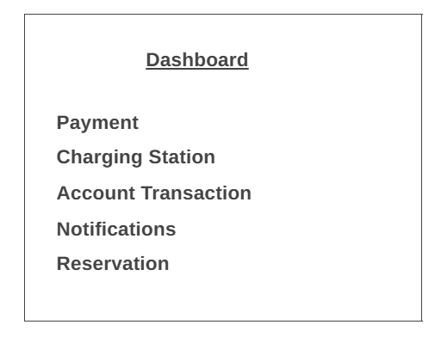 | Menu
phase 1 | 5 | Menu[Miner] | - Dashboard(link) - User management(link) - Chargins station management(link) - Energy analytics(link) - Pricing management(link) - Feedback management(link) - View Profile(link) - Edit profile(link) - change profile photo(link) - change password(link) | - Must be logged in | 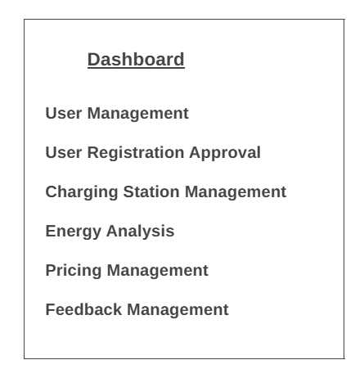
Feature: 3
phase 1 | 6 | User Management [Admin] | - As an Admin, I want to view, edit, or delete user profiles so that I can maintain accurate user data. | - Admin can view the list of all users in a table format. - Admin can edit user profiles (name, email, status). - Admin can delete a user profile and confirm deletion. - Confirmation messages should display for actions. - Deletion is irreversible.
phase 1 | 7 | User Registration Approval [Admin] | - As an Admin, I want to approve or reject user registrations so that only legitimate users can access the system. | - A pending approval list shows new registrations. - Admin can approve/reject a user with a single click. - Approved users are added to the active user list. - Rejected users are notified with reasons via email. - System logs show all approval/rejection actions.
phase 1 | 8 | Charging Station Management [Admin] | - As an Admin, I want to add, update, or delete charging station details so that the system stays up-to-date. | - Admin can add new charging stations with location, capacity, and availability. - Admin can update existing station details (e.g., location, status). - Admin can delete stations with confirmation. - Validation ensures complete data (e.g., location is required).
phase 1 | 9 | Energy Analytics [Admin] | - As an Admin, I want to view energy consumption data so that I can track usage trends and revenue. | - Energy data is displayed in both real-time and historical formats. - Reports include energy usage, revenue, and station performance. - Data visualization (graphs/charts) is available. - Reports can be exported as PDFs or Excel files.
phase 1 | 10 | Pricing Management [Admin] | - As an Admin, I want to set dynamic or fixed pricing for sessions to optimize revenue. | - Admin can configure pricing models (fixed or dynamic). - Admin can set rules for dynamic pricing based on time of day or usage. - Pricing updates are reflected immediately. - System notifies users about pricing changes via email/app notifications. - Subscription plans can be created and managed.
phase 1 | 11 | Transaction Management [Admin] | - As an Admin, I want to oversee all user transactions and payments so that I can ensure financial transparency. | - All transactions are listed with details (user, amount, date, status). - Admin can filter/search transactions. - Refunds or disputes can be processed with reasons logged. - Notifications are sent to users for refunds or disputes.
phase 1 | 12 | Notifications and Alerts [Admin] | - As an Admin, I want to send notifications and receive alerts so that I can keep users informed and respond to anomalies. | - Notifications can be sent to users for updates (e.g., maintenance, pricing changes). - Alerts (e.g., station outages) are displayed prominently. - Admin can configure thresholds for alerts (e.g., when system health drops). - All notifications and alerts are logged.
phase 1 | 13 | Feedback Management [Admin] | - As an Admin, I want to review user feedback or complaints so that I can improve system satisfaction. | - Feedback is listed by type (complaints, suggestions). - Admin can respond to users directly through the system. - Resolved feedback is marked as closed. - Metrics (e.g., response time, satisfaction rating) are available for tracking.
Feature: 4 |  | Payment
phase 2 | 9 | Top[user] | - User can see username and profile picture[view]. - User can see booking details[view]. - User can see a summary of services(e.g., station name, slot time, pricing details)[view]. - User can see the total cost breakdown(e.g., base cost, taxes, discounts). | - User must be logged in - Must display only details associated with the logged-in user and their booking. | 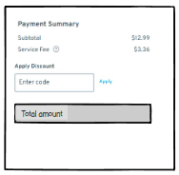
 |  | User Payment form | - User can see pre-filled user details (email, phone number) from their profile. - User can manually entry if not already stored. - User can manually entry email for confirmation mail. - User can manually entry name, address and phone number. - User can select methods[radio button] of payment(exa. Credit/debit, online payment gateway(Bkash,Nogod), Wallet[optional]. - For Cards: User can entry card number, CVV, expiration date, address and name. - For online banking: Redirect to the online bank's payment gateway. | - Validate payment with the payment gateway. - Any one payment method can be chosen - Log transaction details must be stored in the database. - Handle cases like insufficient funds or expired cards gracefully. - Clear instructions provideed to resolve errors. | 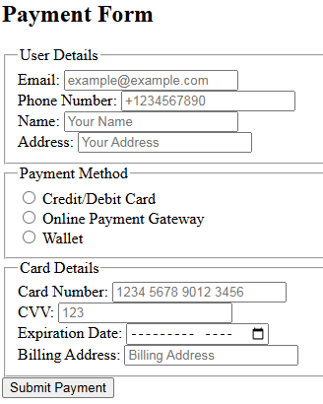 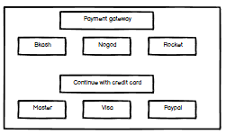
 |  | Payment confirmation | - User can see payment summary for user verification(exa. Amount, Selected method, Booking details. - Proceed to pay[button] - Downloadable link in the confirmation email. | - A confirmation email with the invoice - If the payment fails, display an error message and options to retry. - Log the failure for audit purposes in database. - Display a success message with transaction ID. | 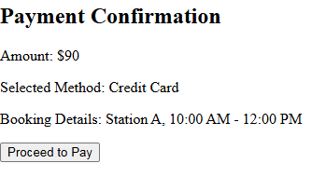
 |  | Invoice | - User can see an automatically generated PDF invoice with Booking/Service details, Bill to, Ship to, invoice number, Amount paid, Date and transaction ID. | - Invoice must be downloadable - Invoice must contain logged in user's reservation details | 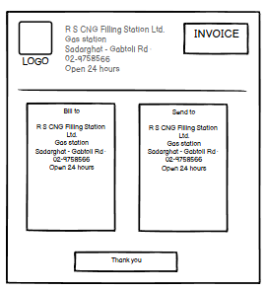
phase 2 | 9 | Send Money[user] | - Enter receipient address (input) - enter amount (input) - re-type amount (input) - click sign with private key(button) - write anything in message (input) - click submit(button) | - User must enter valid receipient address [otherwise prompt an error] - User must enter amount in valid format [negative, 0 or any charater is not allowed. Only numerics starting > 0 is allowed. The amount must be less than or equals to user's current balance] - User must re-type same amount previously mentioned - User must click sign with private key [otherwise promt an error] - User can write anything in the message box if they want - User have to click submit button after everything is set properly [ clicking submit will add the transaction to the mempool] - Email must be sent upon successful booking. | 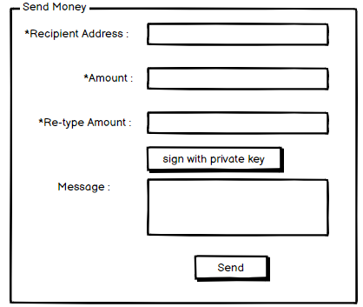
 |  | Terms and conditions | - User must accept terms and conditions before making payment | Terms and conditions should be accepted | 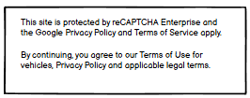
Feature: 5 |  | Charging Station Locator
phase 2 | 10 | CSL[user] | - User interactive map displaying nearby charging stations. - User can search for stations by location or filters (e.g., type of charger, availability). - User can check real-time availability status and pricing information for each station. - User can view station details like (name, address, availability) - Book slot[link] - User can view station details like (name, address, availability) | - Map must load and accurately reflect the locations of charging stations correctly without errors. - Search input must be validated for empty values and results must match the search criteria (e.g., location, filters). - Real-time status must be accurate and updated continuously. - Book slot link should redirect to Booking and Reservations page[user] | 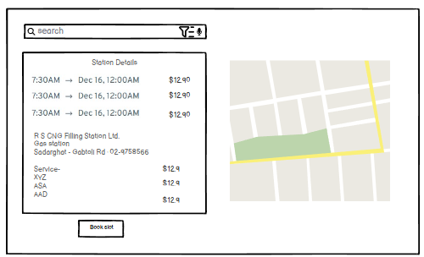
Feature: 10 |  | User Profile
phase 1 | 15 | View Profile[user] | - Full name of user (view) - phone number of user (view) - date of birth of user (view) - gender of user (view) - user type (miner/user) - edit (link button) - Account (link button) | - No null values - Edit button should take user to edit page - Account button should take user to account page
phase 1 | 16 | Edit Profile[user] | - can edit name - can edit email - can edit phone - can edit date of birth - can edit gender - can click on save button | - No null values - email should be in correct format [xyz@abc.com] - phone number should be in correct format [11 digits] - date of birth should be in at least 15 years - clicking save button will either promt with an error if above rules do not meet or a promt notifying the user about successful change
phase 1 | 17 | Change Profile Photo[user] | - current image of user/miner is shown - user can choose new photo from device - after choosing new photo, user can confirm by pressing confirm button | - current image/ default image is shown - input file should be an image and not any other format [png,jpg format] - confirm button should redirect user to view profile page
phase 1 | 18 | Change Password[user] | - type current password - type new password - type new password again - confirm or decline button | - user can type current password [it should match database password] - Password (input) should be minimum 8 characters long. Otherwise show an invalid message. - Re-password (input) should match password. Otherwise show 'password do not match' message. - On clicking confirm button, credential will be stored in database, user will be prompted with a message. [sucessfully changed / something went wrong] - Confirm button should redirect user to view profile page | 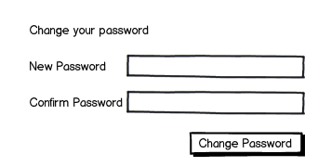
Feature: 11 |  | Account transactions
phase 3 | 19 | View Account[user] | - User can see unique transaction ids - User can see profile photo and username[view]. - User can see total amount of transactions[view]. - Subscriptions[button] - User can see recent Transactions details[view] (exa. Tranx id, amount, date, transaction status(pending/confirmed)) - Transactions history[link] | - transaction id must be unque - transaction status must be set - amount should be number and positive value - clickable link to more details about this transaction should pop up details - On clicking subscriptions, current subsciption details should pop up. - Transactions history link should redirect user to Transactions history[user] page. | 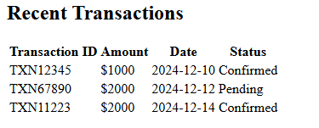 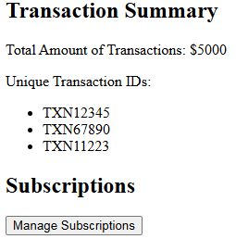
phase 1 | 21 | Transactions history[user] | - User can see past transactions in detail[view]. - User can filter and search for particular transaction. - Download transactions[link] | - Successfully retrieved from database and displayed without error. - Clickable link to each transactions should pop up details - Must display only transactions associated with the logged-in user. - On clicking download transactions, all transactions will be saved in a xlsx file | 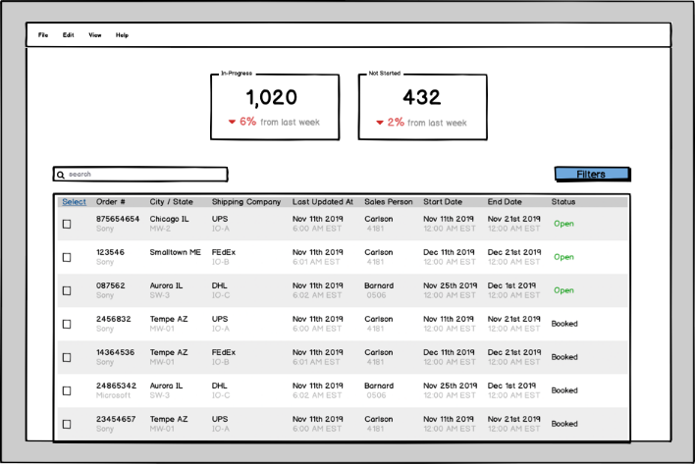
Feature: 13 |  | Notification
phase 3 | 23 | View all notification | - Users can receive alerts when a transaction is confirmed. - Users will be notified when their charging session is complete. - Users can receive alerts when there is unusual activity on their account, or when they need to take action to secure their account. - Users can set promotion or special offer alerts for specific products, and receive notifications. | - Notifications should be relevant and provide users with valuable information related to their account, transactions, or the broader cryptocurrency market. - Notifications should be accurate and provide correct information. Any errors or discrepancies should be promptly corrected. - Ensure notifications are sent only when specific events occur (e.g., booking confirmation). - Verify that users receive notifications in real-time or via email as per their preferences. - Allow users to opt-in or opt-out of specific notifications. | 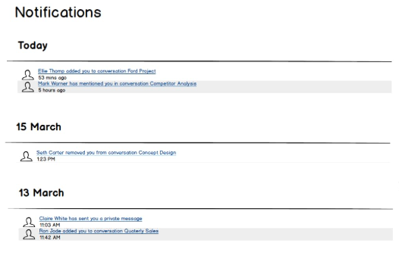
Feature: 14 |  | Booking and Reservations
phase 1 | 21 | BookCharging Slot[user] | - User can pick available slot for the station. - User can cancel[button] existing booking. - User can book slot using Book right now[button]. - User can view existing reservation details. | - User must be logged in and selected time slot must be available. - Only allow cancellation for active reservations. - Confirm cancellation action to prevent accidental cancellations. - Display only bookings associated with the logged-in user. - Book right now should pop up confirmation prompt and redirect to Payments[user] page after confirmation. | 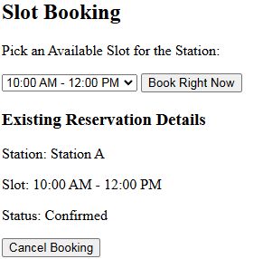
Feature: 15 |  | Legal Agreement Feature
phase 3 | 25 | View Terms and Condition | - All the term and condition should visible over here. | - The user should be presented with a clear and concise summary of the terms and conditions before agreeing to them. | 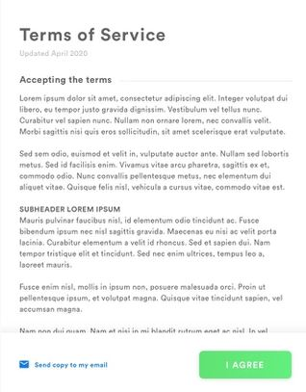
Feature: 16 |  | FAQ
phase 3 | 26 | FAQ | -User can search for specific questions using a search bar. -User can browse FAQs by categories like Payments, Bookings, and Account Management. -User can expand or collapse questions to view answers for a clean browsing experience. -User can find answers to popular or frequently asked questions at the top of the page. -User can provide feedback on whether an FAQ answer was helpful or not. -User can find links to related sections or external resources for detailed information. -User can contact support if their question is unanswered by clicking a link. -User can print or download the FAQ section as a PDF for offline use. -User can filter or sort FAQs by relevance, recency, or popularity (if filters are included). -User can track their recently searched or viewed questions for quick reference-. | - Must be logged in | 